1 - Cover
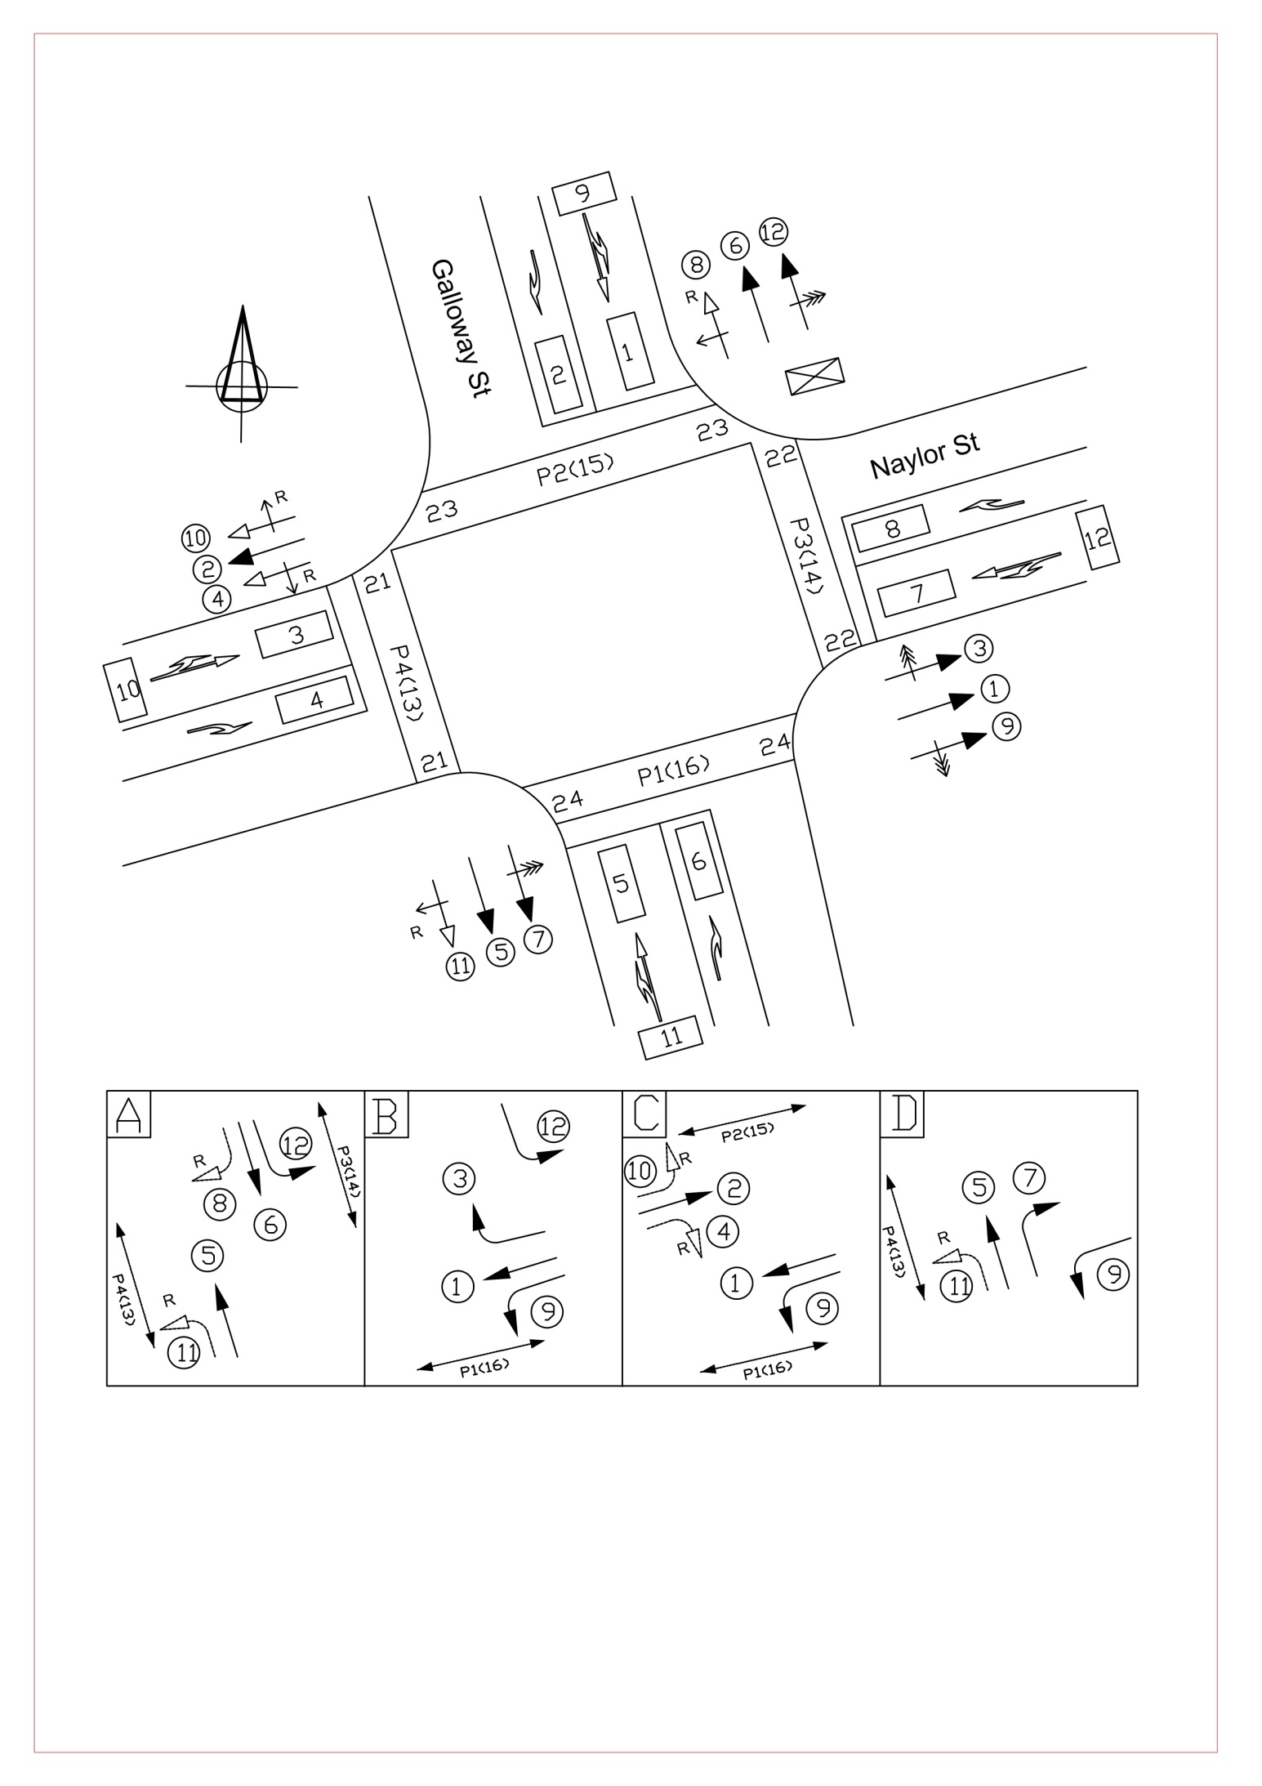
HAMILTON CITY COUNCIL
Controller Information Sheet (C.I.S.)

Intersection: |  | Naylor / Galloway |  |  | Site ID: | 36
Date: | 2019-03-22 |  | Version: | 3d | By: | R Thomson
SFT |  | generated by |  |  | Code: | XLOSM

3 - Signal Group Info
Intersection: |  | Naylor / Galloway |  |  |  |  |  |  |  |  |  |  | Site ID: |  | 36
Date: |  | 2019-03-22 |  |  |  |  | Version: |  | 3d |  |  |  | By: | R Thomson
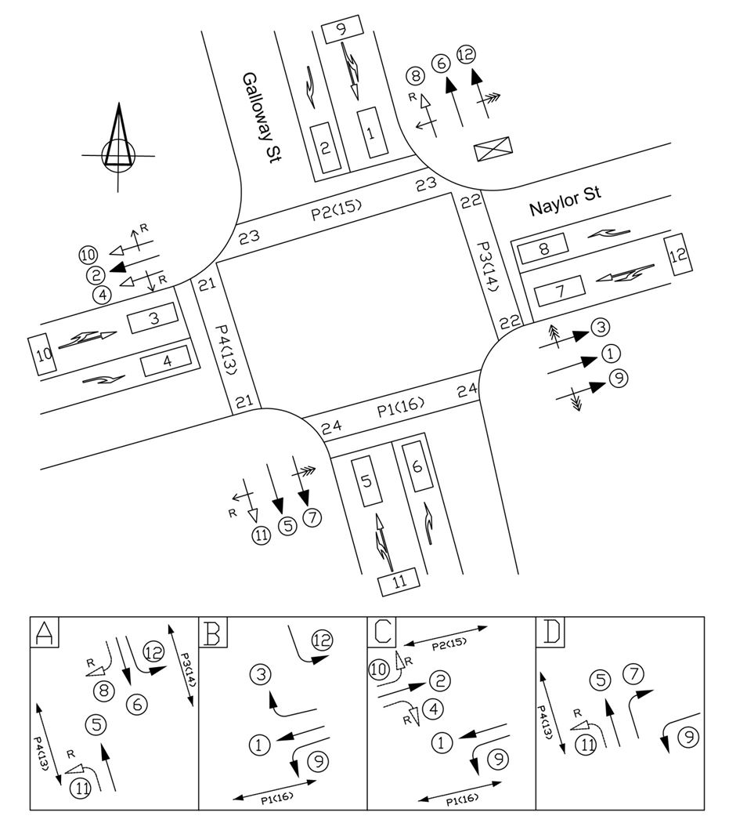
SIGNAL GROUP DEFINITIONS - Active phases |  |  |  |  |  |  |  |  |  |  |  |  |  |  |  |  |  | XLOSM
 |  |  |  |  |  |  |  |  |  |  |  |  |  |  |  |  |  | N/A
Phase Group | A | B | C | D | E | F | G | Table | Phase Group | A | B | C | D | E | F | G | Table
1 |  | B | C |  |  |  |  | 4 | 9 |  | B | C | D |  |  |  | 76

2 |  |  | C |  |  |  |  | 1 | 10 |  |  | C |  |  |  |  | 44

3 |  | B |  |  |  |  |  | 62 | 11 | A |  |  | D |  |  |  | 44

4 |  |  | C |  |  |  |  | 71 | 12 | A | B |  |  |  |  |  | 76

5 | A |  |  | D |  |  |  | 4 | P4(13) | W |  |  | W |  |  |  | PD22M

6 | A |  |  |  |  |  |  | 1 | P3(14) | W |  |  |  |  |  |  | PD2

7 |  |  |  | D |  |  |  | 62M | P2(15) |  |  | W |  |  |  |  | PD1

8 | A |  |  |  |  |  |  | 71 | P1(16) |  | W | W |  |  |  |  | PD23M

 |  |  | Signal Group Modifications

SG | Table | Description
7 | 62M | Modify to allow filtering when Z+ flag set in Flexi or Masterlink.
P1(16) | PD23M | Modify table to allow ped to run in Lag RT phase if the RT phase runs following the main through phase that has the opposing uncontrolled filter movement (i.e. in B if from C)
P4(13) | PD22M | Modify table to allow ped to run in Lag RT phase if the RT phase runs following the main through phase that has the opposing uncontrolled filter movement (i.e. in D if from A)

 |  |  |  |  |  |  | PHASE INFORMATION

Start Phase : |  |  | A

Phase Sequence: |  |  | ABCD |  |  |  |  |  | Alternative Sequence: |  |  |  | CDAB

 |  | Note: Throughout the Document

 |  |  |  | Calculated results cell

 |  |  |  | Fill in these cells where appropriate

11 - All Red
Intersection: |  |  | Naylor / Galloway |  |  |  |  |  |  |  |  | Site ID: | 36
Date: | 2019-03-22 |  |  |  |  | Version: |  | 3d |  |  |  | By: | R Thomson

CALCULATION OF ALL- RED PERIODS FOR TRAFFIC SIGNALS

 |  |  |  |  | PEDESTRIAN TIMINGS |  |  |  |  |  |  |  |  |  |  | Calculated results cell
 |  |  |  | Ped No | Crossing Distance | Main Grn Phase | Other Phases | Speed (m/s) | Walk Time | Clearance 1 Time | Clearance 2 Time |  |  |  |  | Fill in these cells where appropriate
 |  |  |  | 1 | 16 | C | B | 1.2 | 6 | 9 | 4.0
 |  |  |  | 2 | 20 | C |  | 1.2 | 6 | 13 | 4.0 |  |  |  |  |  | Figure 1 |  | Definitions
 |  |  |  | 3 | 15 | A |  | 1.2 | 6 | 9 | 3.5 |  |  |  |  |  |  | d2 | Tt | Tr = Tr1 - Tr2 + Tr3
 |  |  |  | 4 | 17 | A | D | 1.2 | 6 | 11 | 3.5 |  |  |  |  |  |  | 2 | 0.7 | ' = (d1 + L)/VL - (Ts + Tt) + 0.5
 |  |  |  |  |  |  |  |  |  |  |  |  |  |  |  |  |  | 3 | 0.9 | Tr = All-red time (sec)
 |  |  |  |  |  |  |  |  |  |  |  |  |  |  |  |  |  | 4 | 1.0 | d1 = Distance from stopline to the
 |  |  |  |  |  |  |  |  |  |  |  |  |  |  |  |  |  | 5 | 1.2 | conflict point for the moving vehicle (m)

 |  |  |  |  |  |  |  |  |  |  |  |  |  |  |  |  |  | 6 | 1.3 | d2 = the distance from the stopline to the
 |  |  |  |  |  |  |  |  |  |  |  |  |  |  |  |  |  | 7 | 1.4 | conflict point for the stationary vheicle (m)
 |  | SUMMARY OF ALL RED TIMINGS |  |  |  |  |  |  |  |  |  |  |  |  |  |  |  | 8 | 1.5 | L = Vehicle length ( use 5.0m )
Phase | All-Red Periods: |  |  | Speed |  | Special All-Reds: |  |  | When Used |  |  |  | Yellow Time | SCATS Intergreen |  |  |  | 10 | 1.6 | vehicle through the intersection (m/s)
A | REDA = |  | 1.5 | 50 |  | SREDA = |  |  |  |  |  |  | 4.0 | 6 |  |  |  | 11 | 1.7 | Ts = Start-up reaction time for the stationary vehicle
B | REDB = |  | 2.0 | 50 |  | SREDB = |  |  |  |  |  |  | 4.0 | 6 |  |  |  | 12 | 1.8 | = 0.5 sec for vehicles
C | REDC = |  | 2.0 | 50 |  | SREDC = |  |  |  |  |  |  | 4.0 | 6 |  |  |  | 13 | 1.9 | = 0.3 sec for pedestrians
D | REDD = |  | 1.5 | 50 |  | SREDD = |  |  |  |  |  |  | 4.0 | 6 |  |  |  | 14 | 2.0 | Tt = Time for a stationary vehicle to accelerate
E | REDE = |  |  |  |  | SREDE = |  |  |  |  |  |  | 4.0 | 4 |  |  |  | 15 | 2.0 | and travel distance d2 to the conflict point (sec)
F | REDF = |  |  |  |  | SREDF = |  |  |  |  |  |  | 4.0 | 4
G | REDG = |  |  |  |  | SREDG = |  |  |  |  |  |  | 4.0 | 4 |  |  |  | Kilometres/Hour | 25 | 30 | 35 | 40 | 45 | 50 | 55 | 60

All Reds | Default = 1.0 |  | use whichever is the greater, 1.0 or value from cell Tr(8) Vehicle/Vehicle conflict matrix |  |  |  |  |  |  |  |  |  |  |  |  |  |  | Metres/Sec | 6.94 | 8.33 | 9.72 | 11.11 | 12.50 | 13.89 | 15.28 | 16.67
Sreds | Default = 0 |  | use whichever is the greater, 0 or value from cell Tr(8) Vehicle/Pedestrian conflict matrix

VEHICLE/VEHICLE CONFLICTS
Conflict No. | Green Phase | To Phase | Conflict Description |  |  |  |  | (1) d1 (metres) | (2) d2 (metres) | (3) VL (m/s) | (4) Ts (0.5 sec) | (5) Tt (See Fig 1) | (6) Tr1 ={(1)+5}/(3) | (7) Tr2 =(4)+(5) | (8) Tr =(6)-(7)+0.5 | Red time check Phase:

1 | A | B/C | SG6 VS SG1 |  |  |  |  | 15.5 | 10.0 | 13.9 | 0.5 | 1.6 | 1.5 | 2.1 | -0.1 | Off
2 | A/D | C | SG5 VS SG2 |  |  |  |  | 16.5 | 11.0 | 13.9 | 0.5 | 1.8 | 1.5 | 2.3 | -0.3
3 | A | C | SG6RT VS SG2RT |  |  |  |  | 15.0 | 10.0 | 11.1 | 0.5 | 1.6 | 1.8 | 2.1 | 0.2
4 | B | C | SG3 VS SG2 |  |  |  |  | 14.0 | 17.5 | 11.1 | 0.5 | 2.0 | 1.7 | 2.5 | -0.3
5 | B/C | A | SG3 VS SG6RT |  |  |  |  | 16.0 | 6.5 | 11.1 | 0.5 | 1.2 | 1.9 | 1.7 | 0.7
6 | B/C | A/D | SG1 VS SG5 |  |  |  |  | 19.0 | 8.5 | 13.9 | 0.5 | 1.6 | 1.7 | 2.1 | 0.1
7 | C | A | SG2 VS SG6 |  |  |  |  | 20.5 | 7.5 | 13.9 | 0.5 | 1.6 | 1.8 | 2.1 | 0.2
8 | C | A/D | SG2RT VS SG7 |  |  |  |  | 19.5 | 5.5 | 11.1 | 0.5 | 1.2 | 2.2 | 1.7 | 1.0
9 | D | A | SG7 VS SG6 |  |  |  |  | 11.5 | 13.5 | 11.1 | 0.5 | 2.0 | 1.5 | 2.5 | -0.5
10
11
12

VEHICLE/PEDESTRIAN CONFLICTS
Conflict No. | Green Phase | To Phase | Conflict Description |  |  |  |  | (1) d1 (metres) | (2) d2 (metres) | (3) VL (m/s) | (4) Ts (0.3 sec) | (5) Tt =(2)/2.0 | (6) Tr1 =(1)/(3) | (7) Tr2 =(4)+(5) | (8) Tr =(6)-(7)+0.5

P1 | A | B/C | SG6 VS P1 |  |  |  |  | 20.5 | 0.5 | 13.9 | 0.3 | 0.3 | 1.5 | 0.6 | 1.4
P2 | A/D | C | SG5 VS P2 |  |  |  |  | 20.0 | 0.5 | 13.9 | 0.3 | 0.3 | 1.4 | 0.6 | 1.4
P3 | B | C | SG3 VS P2 |  |  |  |  | 19.0 | 1.0 | 11.1 | 0.3 | 0.5 | 1.7 | 0.8 | 1.4
P4 | C | A | SG2 VS P3 |  |  |  |  | 26.5 | 0.5 | 13.9 | 0.3 | 0.3 | 1.9 | 0.6 | 1.9
P5 | D | A | SG7 VS P3 |  |  |  |  | 19.5 | 1.0 | 11.1 | 0.3 | 0.5 | 1.8 | 0.8 | 1.5
P6 | B/C | A/D | SG1 VS P4 |  |  |  |  | 26.0 | 0.5 | 13.9 | 0.3 | 0.3 | 1.9 | 0.6 | 1.8
P7 | A | D | SG6RT VS P4 |  |  |  |  | 21.5 | 1.0 | 11.1 | 0.3 | 0.5 | 1.9 | 0.8 | 1.6
P8 | C | B | SG2RT VS P1 |  |  |  |  | 21.0 | 1.0 | 11.1 | 0.3 | 0.5 | 1.9 | 0.8 | 1.6

